DASHBOARD
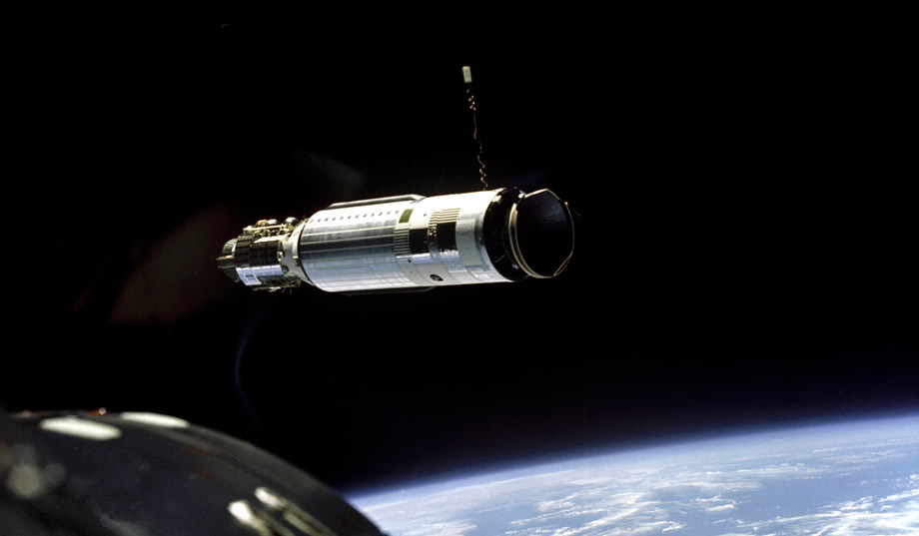
No of Mission
Space Mission Dashboard (1957-2022)
No of Company
No of Country
No of Rocket
4630
62
20
370

Mission Status
Top 5 Investors
Top 5 Countries by Successful Mission
Rocket Status
 | Total
Failure | 357
Partial Failure | 107
Prelaunch Failure | 4
Success | 4162
 | Total
NASA | $76,280
Arianespace | $18,173
ULA | $16,552
SpaceX | $11,181
RVSN USSR | $10,000
 | Success
Russia | 1323
USA | 1298
Kazakhstan | 625
 | Total
Active | 103
Retired | 267

Top 3 Mission Year
Rocket Cost
 | Total
2021 | 157
2020 | 119
1971 | 119
2018 | 117
Top 5 Companies by Successful Mission
 | Total
Active | $59,456
Retired | $102,849
 | Success
RVSN USSR | 1614
CASC | 318
Arianespace | 282
General Dynamics | 203
VKS RF | 202
INSIGHTS
1.) 62 Companies with 370 Rockets from 20 different countries were involved in 4630 Space Missions from April, 1957 to August, 2022.
2.) 4162 (89.9%) missions were successful, 357(8.1%) missions failed, while partial failure & prelaunch had 107 & 4 respectively.
3.)The year 2021 had the highest number of missions(157) as well as the most successful ones (143).
4.) Space Mission Investment is $162.3M with NASA ($76,280, 47%) being the Highest Investor.
5.) RVSN USSR tops the company chart with respect to Successful missions (1614, 34.9%) and highest number of rockets (38, 10.3%).
6.) Russia is the top country with the most successful missions (1323, 28.6%).
7.) Cosmos-3M(11K65M) is the most used rocket (446 missions).

Top 3 Successful Mission Year
Top 3 Most Used Rocket
 | Success
2021 | 143
2018 | 113
1977 | 110
 | Total
Cosmos-3M (11K65M) | 446
Voskhod | 299
Molniya-M /Block ML | 128
Top 3 Rocket Owners
 | Total
RVSN USSR | 38
CASC | 37
General Dynamics | 34

No of Mission Status
Mission Status | No of Mission Status
Failure | 357
Partial Failure | 107
Prelaunch Failure | 4
Success | 4162

4630

Rocket Status
Rocket Status | Distinct Count of Rocket
Active | 103
Retired | 267

Rocket Cost
Rocket Status | Cost
Active | $59,456
Retired | $102,849

$162,304

Top3 Mission Year
Year of Mission | No of Mission
2021 | 157
2020 | 119
1971 | 119
2018 | 117

Top3 Success
Year of Mission | No of
 | Success
2021 | 143
2018 | 113
1977 | 110

Top3 Failures
Year of Mission | No of
 | Failure
1958 | 20
1960 | 20
1969 | 17
1961 | 17
1962 | 15

Top5 Investors
Top Investors | Cost
NASA | $76,280
Arianespace | $18,173
ULA | $16,552
SpaceX | $11,181
RVSN USSR | $10,000

Top Successful Company
Top Company | Mission
 | Success
RVSN USSR | 1614
CASC | 318
Arianespace | 282
General Dynamics | 203
VKS RF | 202

Top3 Rocket
Top Rocket | Noof Mission
Cosmos-3M (11K65M) | 446
Voskhod | 299
Molniya-M /Block ML | 128

Top Company Rocket
Top Company | No of Rocket
RVSN USSR | 38
CASC | 37
General Dynamics | 34

Top Successful Mission Country
Top Country | Mission
 | Success
Russia | 1323
USA | 1298
Kazakhstan | 625

